Sheet1
WEEK | CASOS PROCESSATS | CASOS GRIP | POSITIVITY | % POSITIVITY | casos/10^5 hab. (ILI) | GRIP/10^5 HAB
46 | 209 | 12 | 0.057416267943 | 5.7416267943 | 123.2 | 7.0736842105
47 | 237 | 24 | 0.10126582278 | 10.126582278 | 153.6 | 15.55443038
48 | 288 | 49 | 0.17013888889 | 17.013888889 | 189 | 32.15625
49 | 325 | 75 | 0.23076923077 | 23.076923077 | 234.5 | 54.115384615
50 | 504 | 153 | 0.30357142857 | 30.357142857 | 425.2 | 129.07857143
51 | 627 | 253 | 0.40350877193 | 40.350877193 | 723 | 291.73684211
52 | 658 | 298 | 0.45288753799 | 45.288753799 | 1011.8 | 458.23161094
1 | 648 | 273 | 0.4212962963 | 42.12962963 | 910.5 | 383.59027778
2 | 834 | 365 | 0.4376498801 | 43.76498801 | 846.7 | 370.55815348
3 | 819 | 343 | 0.4188034188 | 41.88034188 | 754.9 | 316.15470085
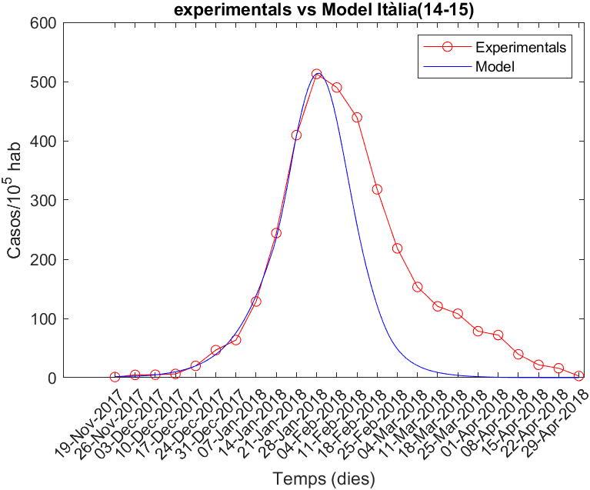
4 | 848 | 314 | 0.37028301887 | 37.028301887 | 639.4 | 236.75896226
5 | 638 | 241 | 0.37774294671 | 37.774294671 | 557.6 | 210.62946708
6 | 615 | 172 | 0.27967479675 | 27.967479675 | 437.3 | 122.30178862
7 | 491 | 101 | 0.20570264766 | 20.570264766 | 323.2 | 66.483095723
8 | 506 | 62 | 0.12252964427 | 12.252964427 | 249.3 | 30.546640316
9 | 343 | 38 | 0.11078717201 | 11.078717201 | 210.4 | 23.309620991
10 | 392 | 29 | 0.073979591837 | 7.3979591837 | 172.1 | 12.731887755
11 | 307 | 18 | 0.058631921824 | 5.8631921824 | 150.4 | 8.8182410423
12 | 250 | 7 | 0.028 | 2.8 | 125 | 3.5
13 | 200 | 4 | 0.02 | 2 | 98.7 | 1.974
14-15
 | GRIP/10^5 HAB
42 | 0.82888888889
43 | 1.5677419355
44 | 1.1185185185
45 | 3.9381818182
46 | 1.1643835616
47 | 4.6894736842
48 | 5
49 | 6.365
50 | 19.891240876
51 | 46.588235294
52 | 63.512612613
1 | 128.61818182
2 | 244.12807018
3 | 409.52783751
4 | 512.78778487
5 | 489.92331233
6 | 439.43939394
7 | 318.00914037
8 | 218.314
9 | 153.12492795
10 | 120.47463768
11 | 108.01570681
12 | 78.519512195
13 | 71.96969697
14 | 39.504132231
15 | 21.732642487
16 | 15.954362416
17 | 2.8533333333
14 | 181 | 4 | 0.022099447514 | 2.2099447514 | 96.3 | 2.1281767956
15 | 113 | 3 | 0.026548672566 | 2.6548672566 | 70.1 | 1.8610619469
16 | 123 | 3 | 0.024390243902 | 2.4390243902 | 63.6 | 1.5512195122
17 | 59 | 1 | 0.016949152542 | 1.6949152542 | 55.8 | 0.94576271186

 |  |  |  |  |  |  | 46

